Graphs
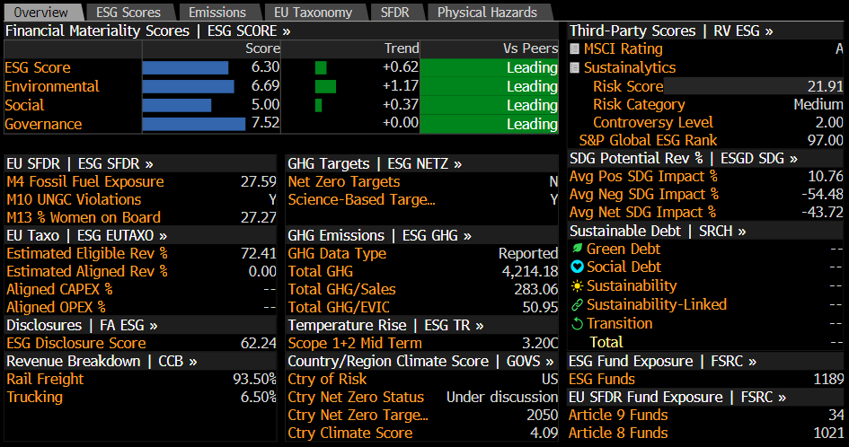
 |  | Terminal Growth Rate
 |  | 1.00% | 1.50% | 2.00% | 2.50% | 3.00% |  |  |  | 2020 | 1397 | 737 | 1397 | 737
WACC | 8.3% | -14.5% / $27.03 | -7.9% / $29.13 | -0.2% / $31.57 | 8.8% / $34.43 | 19.6% / $37.82 |  |  |  | 2021 | 1790 | 706 | 1790 | 706
 | 7.8% | -8.3% / $28.99 | -0.7% / $31.42 | 8.3% / $34.26 | 19.0% / $37.64 | 31.9% / $41.72 |  |  |  | 2022 | 2434 | 690 | 2434 | 690
 | 7.3% | -1.2% / $31.26 | 7.8% / $34.09 | 18.4% / $37.46 | 31.3% / $41.52 | 47.1% / $46.53
 | 6.8% | 7.3% / $33.93 | 17.8% / $37.28 | 30.6% / $41.32 | 46.4% / $46.31 | 66.3% / $52.60
 | 6.3% | 17.3% / $37.09 | 30.0% / $41.12 | 45.7% / $46.08 | 65.5% / $52.35 | 91.3% / $60.51

 |  |  |  |  |  |  |  |  |  |  |  |  | Merchandise | 55.5
 |  |  |  |  |  |  |  |  |  |  |  |  | Intermodal | 15.5
 |  |  |  |  |  |  |  |  |  |  |  |  | Trucking | 6.5
 |  |  |  |  |  |  |  |  |  |  | 17 |  | Other | 6.1
 |  |  |  |  |  |  |  |  |  |  | 22.5 |  | Coal | 16.4
 |  |  |  |  |  |  |  |  |  |  | 23
 |  |  |  |  |  |  |  |  |  |  | 24.5
 |  |  |  |  |  |  |  |  |  |  | 24.5
 |  |  |  |  |  |  |  |  |  |  | 27
 |  |  |  |  |  |  |  |  |  |  | 36

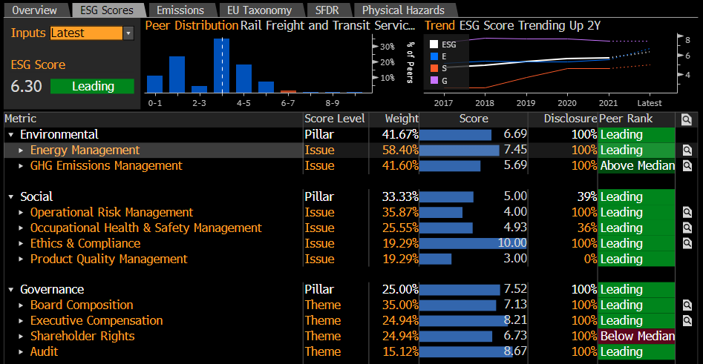

 |  |  |  |  |  |  | Metric | Score | Peer rank

 |  |  |  |  |  |  | Environment | 6.69 | Leading
 |  |  |  |  |  |  | Energy Management | 7.45 | Leading |  | NAV valuation |  | China | 12.5 | 24 | 32.5
 |  |  |  |  |  |  | GHG Emission Management | 5.69 | Above Median |  |  |  | North America | 15 | 17 | 23
 |  |  |  |  |  |  |  |  |  |  |  |  | India | 4 | 9 | 13.5
 | Revenue | EBITDA | Peers avg.
FY 2018 | 12,250.0 | 6,046.0 | 2200
FY 2019 | 11,937.0 | 6,269.0 | 3100
FY 2020 | 10,583.0 | 5,792.0 | 2900
FY 2021 | 12,522.0 | 6,649.0 | 3342.9908457
FY 2022 | 14,853.0 | 7,394.0 | 2748.4929143
 |  |  |  |  |  |  | Social | 5 | Leading |  |  |  | Europe | 7 | 9 | 12
 |  |  |  |  |  |  | Operational Risk Management | 4 | Leading |  |  |  | Russia | 5.5 | 7.5 | 8
 |  |  |  |  |  |  | Occupational Health & Safety Management | 4.93 | Leading |  |  |  | Japan | 3 | 2.5 | 3.5
 |  |  |  |  |  |  | Ethics & Compliance | 10 | Leading
 |  |  |  |  |  |  | Product Quality Management | 3 | Leading

 |  |  |  |  |  |  | Governance | 7.52 | Leading
 |  |  |  |  |  |  | Board Composition | 7.13 | Leading
 |  |  |  |  |  |  | Executive Compensation | 8.21 | Leading
 |  |  |  |  |  |  | Shareholder Rights | 6.73 | Below Median
 |  |  |  |  |  |  | Audit | 8.67 | Leading

2018 | 2,896.0
2019 | 3,193.0
2020 | 2,637.0
2021 | 3,308.0
2022 | 3,486.0
2023 | 3,130.9
2024 | 3,480.2
2025 | 3,938.3
2026 | 4,006.3
2027 | 4,201.0

 |  |  |  |  |  |  |  |  |  |  |  |  | 2023 | 2024 | 2025 | 2026 | 2027
 |  |  |  |  |  |  |  |  |  |  |  |  | 14,614.2 | 14,995.8 | 16,795.0 | 19,507.6 | 18,978.6 |  | 4,334.0 | 4,098.2 | 4,258.0 | 5,651.5 | 5,293.8
 |  |  |  |  |  |  |  |  |  |  |  |  | 7,149.2 | 7,417.5 | 8,598.8 | 9,849.8 | 9,483.8 |  | 4,018.3 | 3,937.3 | 4,660.5 | 5,843.6 | 5,282.8
 |  |  |  |  |  |  |  |  |  |  |  |  | 3,130.9 | 3,480.2 | 3,938.3 | 4,006.3 | 4,201.0

 |  |  |  |  |  |  |  |  |  |  | 274849.29143 | 2200
 |  |  |  |  |  |  |  |  |  |  | 274849.29143 | 3100 |  |  |  | REvenue per Carload | Revenue | Carload
 |  |  |  |  |  |  |  |  |  |  | 274849.29143 | 2900 |  |  | 2017.5 | 3 | 9 | 3.9
 | Revenue from trucking |  |  | tons of Coal transported
2020 | 0.0 | 637,000.00 | 1000 | 637000
2021 | 410.0 | 706,000.00 | 1000 | 706000
2022 | 966.0 | 697,000.00 | 1000 | 697000
 |  |  |  |  |  |  |  |  |  |  | 334299.08457 | 3342.9908457 |  |  | 2017.75 | 2.5 | -2 | -5
 |  |  |  |  |  |  |  |  |  |  | 274849.29143 | 2748.4929143 |  |  | 2018 | -2 | -3.5 | -1
 |  |  |  |  |  |  |  |  |  |  |  |  |  |  | 2018.25 | 1 | 10 | 9
 |  |  |  |  |  |  |  |  |  |  |  |  |  |  | 2018.5 | 8 | 20 | 10
 |  |  |  |  |  |  |  |  |  |  |  |  |  |  | 2018.75 | 7 | 12 | 5
 |  |  |  |  |  |  |  |  |  |  |  |  |  |  | 2019 | 1.5 | 9 | 7
 |  |  |  |  |  |  |  |  |  |  |  |  |  |  | 2019.25 | -4 | -1 | 2
 |  |  |  |  |  |  |  |  |  |  |  |  |  |  | 2019.5 | -3.5 | -10 | -7
 |  |  |  |  |  |  |  |  |  |  |  |  |  |  | 2019.75 | -5 | -18 | -15
 |  |  |  |  |  |  |  |  |  |  |  |  |  |  | 2020 | -11 | -21 | -13
 |  |  |  |  |  |  |  |  |  |  |  |  |  |  | 2020.25 | -8 | -45 | -40
 |  |  |  |  |  |  |  |  |  |  |  |  |  |  | 2020.5 | -11.5 | -29 | -23
 |  |  |  |  |  |  |  |  |  |  |  |  |  |  | 2020.75 | -5 | -12 | -6
 |  |  |  |  |  |  |  |  |  |  |  |  |  |  | 2021 | 0 | -5 | -5
 |  |  |  |  |  |  |  |  |  |  |  |  |  |  | 2021.25 | 2.5 | 47 | 42
 |  |  |  |  |  |  |  |  |  |  |  |  |  |  | 2021.5 | 23 | 41 | 19
 | Revenue, Adj | EBITDA, Adj | Net Income, Adj | Present value of FCF
2023 | 14,614.2 | 7,149.2 | 3,695.2 | 2,887.9
2024 | 14,995.8 | 7,417.5 | 3,837.6 | 3,198.6
2025 | 16,795.0 | 8,598.8 | 4,002.8 | 3,606.1
2026 | 19,507.6 | 9,849.8 | 4,148.3 | 3,654.2
2027 | 18,978.6 | 9,483.8 | 4,293.9 | 3,816.3
 |  |  |  |  |  |  |  |  |  |  |  |  |  |  | 2021.75 | 43 | 40.5 | -2
 |  |  |  |  |  |  |  |  |  |  |  |  |  |  | 2022 | 53 | 39 | -14
 |  |  |  |  |  |  |  |  |  |  |  |  |  |  | 2022.25 | 56.5 | 52 | -4
 |  |  |  |  |  |  |  |  |  |  |  |  |  |  | 2022.5 | 38 | 36 | -2
 |  |  |  |  |  |  |  |  |  |  |  |  |  |  | 2022.75 | 11 | 21 | 10
 |  |  |  |  |  |  |  |  |  |  |  |  |  |  | 2023 | -0.5 | 19 | 20
 |  |  |  |  |  |  |  |  |  |  |  |  |  |  | 2023.25 | -6 | -2 | 5

